1. Title Page
Grocery Basket Analysis

Project Name: Project Brief: Instacart Grocery Basket Analysis
Date: 20.10.2023
Analyst Name: Süleyman Celik

Contents:
Population Flow
Consistency checks
Wrangling steps
Column derivations
Visualizations
Recommendations

2. Population Flow
Title page

Population flow

32434489
3421083
49,693
206209

206209

3421083
32434489
49,672
49,672

Orders_products_combined
Orders_products_merged
Orders_products_all

Total:
Total:
32434489
32404859
Total:
30964564

3. Consistency checks
 |  |  |  | Title page
Consistency checks

Dataset | Missing values | Missing values treatment | Duplicates
orders | From column days_since_prior_order - 206209 values were null | I computed the missing value with the median 7.0 | No duplicates found
products | There were 16 missing values in the product_name column | I removed the 16 missing values | Removed 5 duplicates
orders_products_prior | no missing alues found | - | No duplicates found
customers | missing values in the first_name column | Computed the missing values as "Not filled" | No duplicates found

4. Wrangling steps
 |  |  |  | Title page
Wrangling steps

Columns dropped | Columns renamed | Columns' type changed | Comment/Reason
eval_set |  |  | This was the prior data set that is irrelevant for us
 | order_dow to orders_days of the week |  | This column was hard to understand for people not familiar with the data set so it was changed to something more easy to understand
 |  | order_id | Changed to string type because the order_id are not actual numbers but more of a index
 | order_number |  | Changed order_number to order_amount to make it easier to understand
_merge |  |  | Removed because this column wasn't needed
_merge_flag |  |  | Removed because this column wasn't needed
 | Unnamed:0 to derpartment_id |  | It is just way easiert to understand
 | FIRST NAME to first_name |  | To make it consistent like the other columns
 | SURNAME changed to surname |  | To make it consistent like the other columns
 | AGE changed to age |  | To make it consistent like the other columns
 | State changed to state |  | To make it consistent like the other columns
first_name |  |  | Removed because of PII safety reasons
last_name |  |  | Removed because of PII safety reasons
 | Gender changed to gender |  | To make it consistent like the other columns

5. Column derivations
 |  |  |  |  | Title page

Column derivations and aggregations

In this tab you should add tables below that the frequences of flags/label variables that you produced after deriving them. NB: don't do this for continuous variables, only for flags.
Dataset | New column | Column/s it was derived from | Conditions | Frequencies
orders_products_merged | price_range_loic | price | if price <= 5 return 'Low-range product' if row prices are > 5 and <= 15 return 'Mid-range product' if row prices > 15 return 'High range product' | price range loc frequency Mid-range product 21860860 Low-range product 10126321 High-range product 417678
orders_products_merged | busiest_day | order_day_of_week | if order_day_of_week = 0 return 'Busiest day' if order_day_of_week = 4 return 'Least busy' if order_day_of_week is anything else return 'Regularly busy' | busiest_day Regularly busy 22416875 Busiest day 6204182 Least busy 3783802
orders_products_merged | busiest_days | order_day_of_week | if order_day_of_week = 0 or 1 return 'Busiest days' if order_day_of_week = 4 or 3 return 'Least busy' if order_day_of_week is anything else return 'Regularly busy' | busiest_days Regularly busy 12916111 Busiest days 11864412 Least busy 7624336
orders_products_merged | busiest_period_of_day_loc | order_hour_of_day | if order_hour_of_day =< 8 'Fewest orders' if order_hour_of_day > 8 or <= 16 return 'Most orders' if order_hour_of_day is > 16 return 'Average orders' | busiest_period_of_day_loc Most orders 21118071 Average orders 7790795 Fewest orders 3495993
ords_prods_merge | max_order | user_id and order_amount | Gives max order information based on grouping by user_id and order_amount
ords_prods_merge | loyalty_flag | max_order | if max_order is > 40 append 'Loyal customer' if max_order is > 10 & <=40 append 'Regular customer' if max_order is <=10 append 'New customer' | loyalty_flag Regular customer 15876776 Loyal customer 10284093 New customer 6243990
orders_products_merge | avg_order | user_id and prices | group average orders by user_id and calculating the average of prices
orders_products_merge | spending_flag | avg_spending | if avg_spending is >= 10 append 'High spender' if avg_spending is <10 append 'Low spender' | spending_flag Low spender 31770614 High spender 634245
orders_products_merge | med_days | user_id and days_since_prior_order | group med_days by user_id and calculate the median of days_since_prior_order
orders_products_merge | order_frequency_flag | med_days | if med_days > 20 then 'Non- frequent customer' if med_days <= 20 and > 10 append 'Regular customer' if med_days <= 10 append 'Frequent customer' | order_frequency_flag Frequent customer. 22790523 Regular customer. 6927608 Non-frequent customer. 2686728
df_pii_safe | region | state | Northeast =['Maine', 'New Hampshire', 'Vermont', 'Massachusetts', 'Rhode Island', 'Connecticut', 'New York', 'Pennsylvania', 'New Jersey'] Midwest = ['Wisconsin', 'Michigan','Illinois', 'Indiana', 'Ohio', 'North Dakota', 'South Dakota', 'Nebraska', 'Kansas', 'Minnesota', 'Iowa', 'Missouri'] South = ['Delaware', 'Maryland', 'District of Columbia', 'Virginia', 'West Virginia', 'North Carolina', 'South Carolina', 'Georgia', 'Florida', 'Kentucky', 'Tennessee', 'Mississippi', 'Alabama', 'Oklahoma', 'Texas', 'Arkansas', 'Louisiana'] West = ['Idaho', 'Montana', 'Wyoming', 'Nevada', 'Utah', 'Colorado', 'Arizona', 'New Mexico', 'Alaska', 'Washington', 'Oregon', 'California', 'Hawaii']
ords_prods_updated | age_profile | age | if age <= 39 then 'Young Adult' if age > 39 and <= 59 then 'Middle-aged Adult' if age > 59 then 'Old Adult' | age_profile Young Adult 10665110 Old Adult 10574504 Middle-aged Adult 9724950
ords_prods_updated | income_profile | income | if income <= 50000 then 'Low-income' if income > 50000 and <= 150000 then 'Middle-income' if income > 150000 then 'High-income' | income_profile Middle-income 23707476 High-income 3894534 Low-income 3362554
ords_prods_updated | dependant_profile | n_dependants | If dependants are = 0 then 'Has no dependants' otherwise 'Has dependants'
ords_prods_updated | customer_profile | fam_status, age_profile, income_profile and dependants_profile | ​ ords_prods_updated.loc[(ords_prods_updated['fam_status'] == 'married') & (ords_prods_updated['dependants_profile'] == 'Has dependants') & (ords_prods_updated['age_profile'] == 'Young Adult') & (ords_prods_updated['income_profile'] == 'Low-income'), 'customer_profile'] = 'Low-income younger parent' ords_prods_updated.loc[(ords_prods_updated['fam_status'] == 'married') & (ords_prods_updated['dependants_profile'] == 'Has dependants') & (ords_prods_updated['age_profile'] == 'Young Adult') & (ords_prods_updated['income_profile'] == 'Low-income'), 'customer_profile'] = 'Low-income younger parent' ords_prods_updated.loc[(ords_prods_updated['fam_status'] == 'married') & (ords_prods_updated['dependants_profile'] == 'Has dependants') & (ords_prods_updated['age_profile'] == 'Middle-aged Adult') & (ords_prods_updated['income_profile'] == 'Low-income'), 'customer_profile'] = 'Low-income parent' ords_prods_updated.loc[(ords_prods_updated['fam_status'] == 'married') & (ords_prods_updated['dependants_profile'] == 'Has dependants') & (ords_prods_updated['age_profile'] == 'Old Adult') & (ords_prods_updated['income_profile'] == 'Low-income'), 'customer_profile'] = 'Low-income old parent' ords_prods_updated.loc[(ords_prods_updated['fam_status'] == 'married') & (ords_prods_updated['dependants_profile'] == 'Has dependants') & (ords_prods_updated['age_profile'] == 'Young Adult') & (ords_prods_updated['income_profile'] == 'Middle-income'), 'customer_profile'] = 'Middle-income younger parent' ords_prods_updated.loc[(ords_prods_updated['fam_status'] == 'married') & (ords_prods_updated['dependants_profile'] == 'Has dependants') & (ords_prods_updated['age_profile'] == 'Middle-aged Adult') & (ords_prods_updated['income_profile'] == 'Middle-income'), 'customer_profile'] = 'Middle-income parent' ords_prods_updated.loc[(ords_prods_updated['fam_status'] == 'married') & (ords_prods_updated['dependants_profile'] == 'Has dependants') & (ords_prods_updated['age_profile'] == 'Old Adult') & (o | customer_profile Middle-income old parent 5772575 Middle-income younger parent 5456014 Middle-income parent 5336939 Middle-income single young adult 2210821 Middle-income old adult 1920214 Middle-income single adult 1765253 High-income old parent 1494408 High-income parent 1325208 Middle-income single younger parent 1245660 Low-income younger parent 1003874 Low-income old parent 662250 Low-income parent 628968 High-income old adult 514347 High-income single adult 458503 Low-income single young adult 426131 Low-income single younger parent 220542 Low-income old adult 210710 Low-income single adult 210079 High-income younger parent 63475 High-income single young adult 23623 High-income single younger parent 14970

6. Visualizations
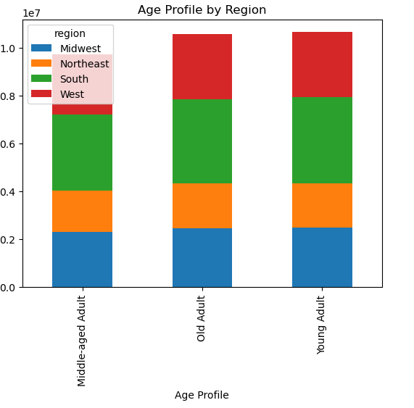
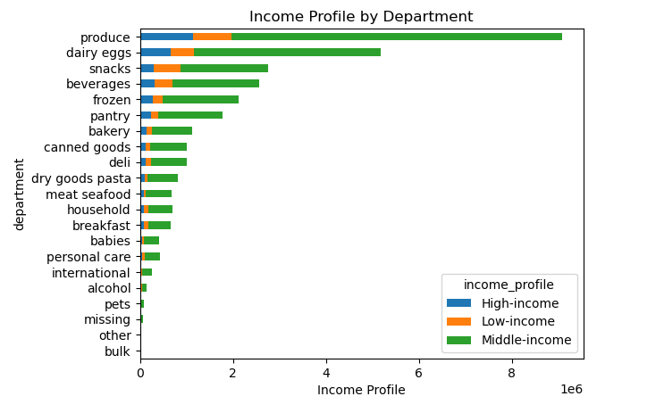
 |  | Title page

Visualisations

In this tab you should include all the visualtions from Exercises 4.9 and 4.10, alongside the questions from the project brief that they answer. Include any commentary on the relationship between different variables.

The sales team needs to know what the busiest days of the week and hours of the day are (i.e., the days and times with the most orders) in order to schedule ads at times when there are fewer orders.

 | This diagramm shows the most frequent order hours of the day which would be around 09-17 |  |  | This diagramm shows the most orders by day of order which is Saturday and Sunday




They also want to know whether there are particular times of the day when people spend the most money, as this might inform the type of products they advertise at these times

 | This shows that the prices are the highest from 3-5 am and it increase after 8 pm again until midnight


Instacart has a lot of products with different price tags. Marketing and sales want to use simpler price range groupings to help direct their efforts.

 | This shows that the mayority of producs fall between 1-15$ range, so if they add products around that range this will be very useful



Are there certain types of products that are more popular than others? The marketing and sales teams want to know which departments have the highest frequency of product orders

 | This chart shows that the top 5 types of products are produce, dairy eggs, snacks, beverages and frozen, followed by pantry and bakery. So stocking up more on the top sellers is great

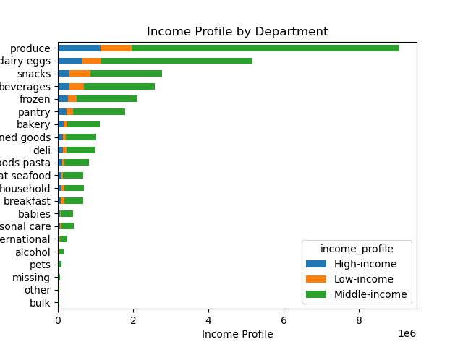

The marketing and sales teams are particularly interested in the different types of customers in their system and how their ordering behaviors differ

 | The chart shows that there is not much difference between age groups and the departments

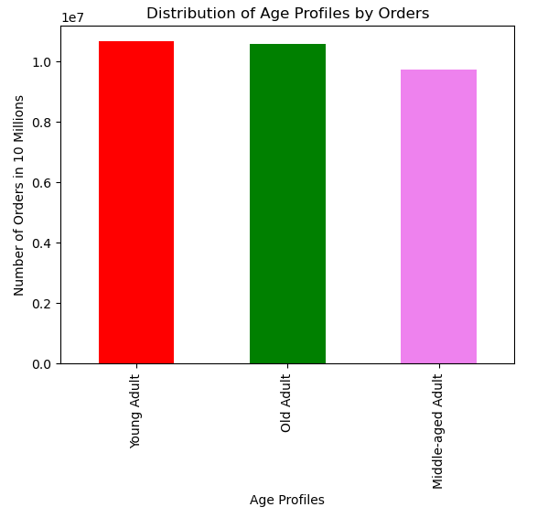
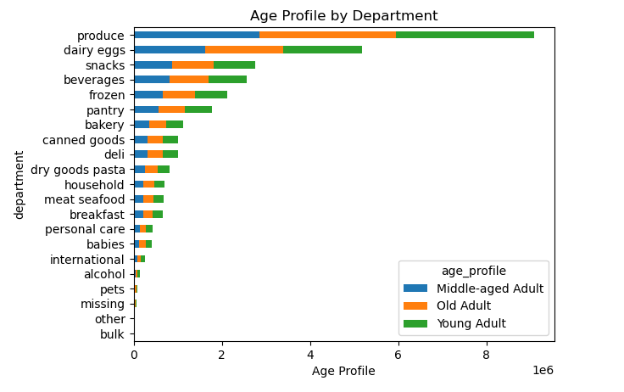

 | Regular customer buy the most, followed by loyal customer and new customer finishing last |  | Most orders are done by middle-income parents and other types of parents, but also middle-income single people buy a lot

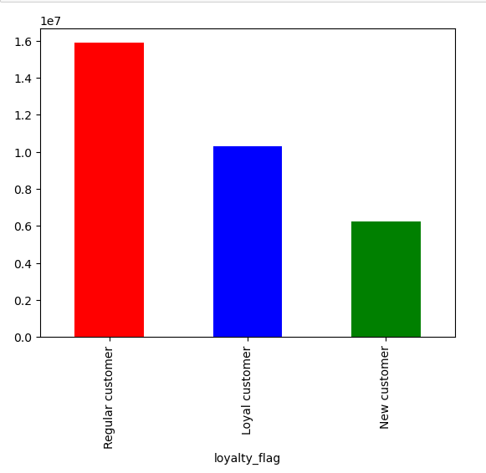
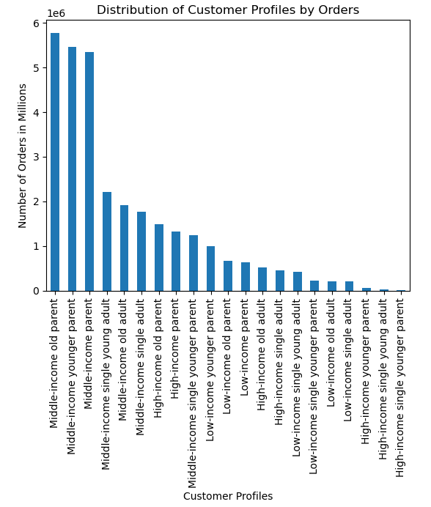

 | The distribution between regions and age by order is pretty much the same |  | The middle-income customers are the most frequent buyers, followed by high-income and lastly low-income

7. Recommendations
 |  |  | Title page

Recommendations

In this tab you should include any recommendations you would made to Instcart in terms of their marketing strategy based on the questions posed in the brief. Every key question has been covered in the Tasks of the Exercises - here you need to add an item - a visualisation or table/crosstable that is showing the answer in the data, acompanied by a comment from you. Please, list the questions below and add the answer underneath.

 | Question | Answer
Key Question 1 | The sales team needs to know what the busiest days of the week and hours of the day are (i.e., the days and times with the most orders) in order to schedule ads at times when there are fewer orders. | The busiest days are from Fridays to Sunday and the most orders are from 09 - 17 . Meaning that most of the budget for advertisement should be centered around that time.
Key Question 2 | They also want to know whether there are particular times of the day when people spend the most money, as this might inform the type of products they advertise at these times. | The prices vary and are the lowest during the peak order time but the highest price is from 17-07. The price still varys but in general the price is higher, so you could specifally target the evening and early morning shoppers. You could also target the day demographic to increase sales even though the price is lower.
Key Question 3 | Instacart has a lot of products with different price tags. Marketing and sales want to use simpler price range groupings to help direct their efforts. | The prices go until 25$ but the most products cost from 1$-15$. So instacart should focus their efforts on adding more products that fall between that price range of 1-15 $, this will help increase revenue because most products bought cost that amount.
Key Question 4 | Are there certain types of products that are more popular than others? The marketing and sales teams want to know which departments have the highest frequency of product orders | The top 5 department of products are produce, dairy eggs, snacks, beverages and frozen, followed by pantry and bakery. Instacart should add products around these departments followed by importance as listed as above. What should be kept in mind that produce is by far the best department in terms of orders, followed by department dairy eggs which are 60% compared to produce orders.
Key Question 5 | The marketing and sales teams are particularly interested in the different types of customers in their system and how their ordering behaviors differ | Most customer are evenly distrubuted them being young adults, middle-aged adults and old adults, but married with at least 1 child, and have a medium income (50000$ to 150000$). In terms of region, the West and South are the largest part of the customer base, while the Northeast is the smallest. It makes sense that families tend to be the biggest customer base. Instacard could start reward programs for loyal customer, send them advertisement specfically or sent them coupons to incentive orders.

